Help Page
STEP 1:
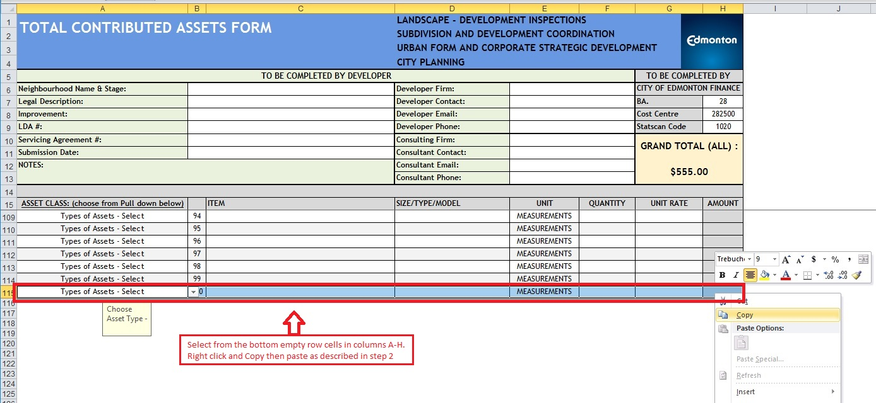

STEP 2:
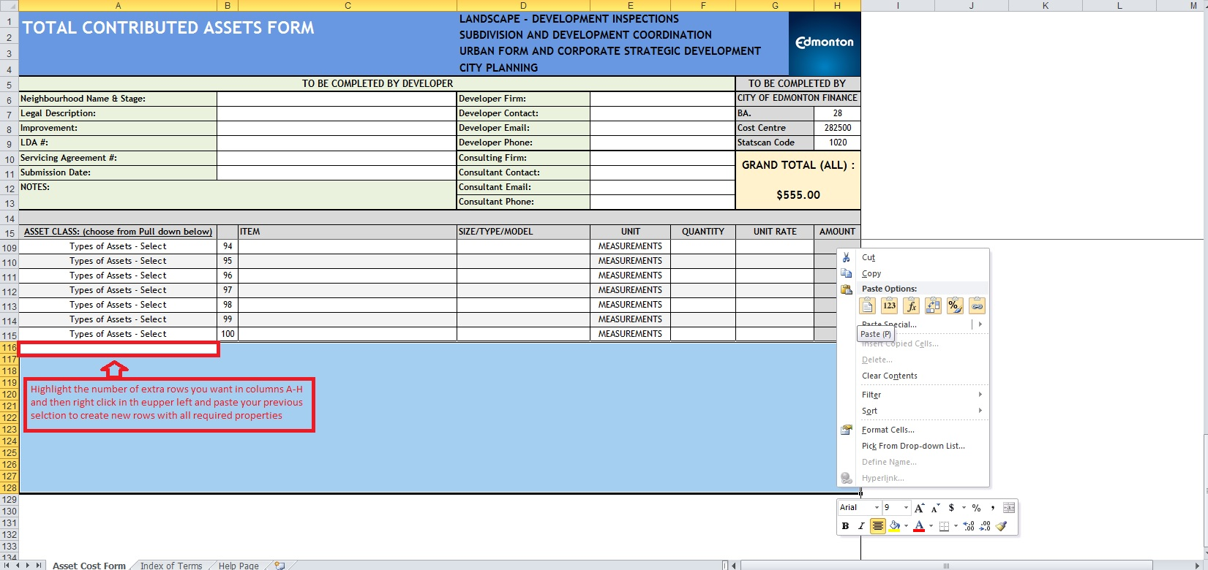

NOTE: IF ASSET FORM EXCEEDS 600 ROWS TOTAL FORMULAS ON MAIN PAGE AND FINANCIAL SUMMARY MUST BE CHECKED

