Introduction
NECB 2011 Part 4 - Lighting Trade-Off Path Compliance Calculation Tool

 | This tool can be used to demonstrate compliance with the NECB 2011 Part 4 (Lighting) Trade-Off path. Users must define the building’s area and lighting systems using the Space-by-space method. The Trade-Off worksheet allows the entry of all required information, fields highlighted in BLUE, to define each space and its lighting system. The total building Gross Floor Area must be defined in the Trade-off worksheet for the compliance calculations to be valid.

 | Building Data
 | Building Name | Building 1
 | Address | 5555 street AAA
 | Total Gross Floor Area - m2 | 2000.0
 | Annual Number of days of operation | 250

 | Language | English
 | Units | SI

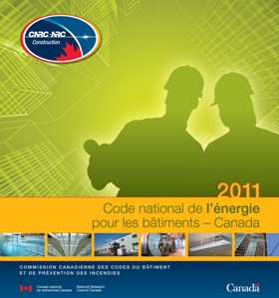
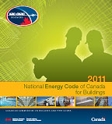

 | This tool is the property of Natural Resources Canada. All rights reserved. No part of this tool may be reproduced, modified, distributed, published, sold, licensed, broadcasted, retransmitted, circulated in any form or used this tool in any way other than for compliance to the 2011 NECB.

